Tasks
A task should be done by only 1-2 students. Duplicate tasks are not recommended Each member should work on at least 5 tasks

No | Student ID | Full name | Task Description | Hours | Evidence (screenshots of chat messages, of Git commits... proving that you perform and finish the task)
1 | 22127280 | Đoàn Đặng Phương Nam | Add the structures of Year and Semester | 0.25
2 | 22127280 | Đoàn Đặng Phương Nam | Write function to add a new School Year | 2
3 | 22127280 | Đoàn Đặng Phương Nam | Write function to add a new Semester | 4
4 | 22127280 | Đoàn Đặng Phương Nam | Write function to add a new Course | 4
5 | 22127280 | Đoàn Đặng Phương Nam | Write function to view all semesters and access Semester | 1
6 | 22127280 | Đoàn Đặng Phương Nam | Write function to view all courses | 2
7 | 22127280 | Đoàn Đặng Phương Nam | Write function to update course's informations | 3
8 | 22127280 | Đoàn Đặng Phương Nam | Write function to upload students file to a course | 3
9 | 22127280 | Đoàn Đặng Phương Nam | Split all cpp files into 3 directories | 1
10 | 22127280 | Đoàn Đặng Phương Nam | Design login screen | 3
11 | 22127280 | Đoàn Đặng Phương Nam | Design View Profile and Change Password screen | 4
12 | 22127280 | Đoàn Đặng Phương Nam | Design the screen of viewing all created school years | 1
13 | 22127280 | Đoàn Đặng Phương Nam | Design the screen of adding and viewing all created semesters | 1.25
14 | 22127280 | Đoàn Đặng Phương Nam | Find out how to insert sound | 2
15 | 22127280 | Đoàn Đặng Phương Nam | Test system | 10
16 | 22127280 | Đoàn Đặng Phương Nam | Make video about Student | 2 | 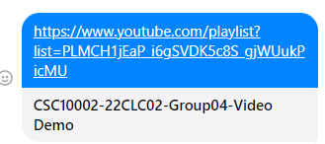
17 | 22127131 | Trần Nguyễn Minh Hoàng | Create new repository and add other members as collaborators | 0.25 | 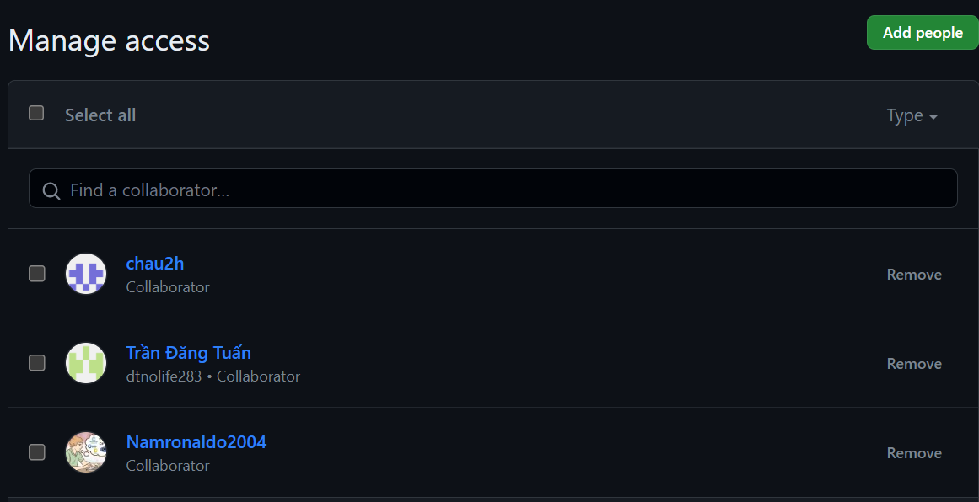
18 | 22127131 | Trần Nguyễn Minh Hoàng | Create file structures.h and declare structure for class | 0.5
19 | 22127131 | Trần Nguyễn Minh Hoàng | Add change password function | 3
20 | 22127131 | Trần Nguyễn Minh Hoàng | Create a function for staff to add a new class | 2
21 | 22127131 | Trần Nguyễn Minh Hoàng | Create a function for staff to add new students | 1.5
22 | 22127131 | Trần Nguyễn Minh Hoàng | Create function to view all options with class | 2
23 | 22127131 | Trần Nguyễn Minh Hoàng | Create a function to view scoreboard of all students in a course | 3
24 | 22127131 | Trần Nguyễn Minh Hoàng | Create a function to update a student's score manually | 3
25 | 22127131 | Trần Nguyễn Minh Hoàng | Create a function for students to view their scoreboard | 4
26 | 22127131 | Trần Nguyễn Minh Hoàng | Design the interface for view scoreboard in course | 4
27 | 22127131 | Trần Nguyễn Minh Hoàng | Create and design a function to view scoreboard of students in a class | 4
28 | 22127131 | Trần Nguyễn Minh Hoàng | Design the 'Add New Class' screen | 5
29 | 22127131 | Trần Nguyễn Minh Hoàng | Design the 'Delete Course' screen | 5
30 | 22127131 | Trần Nguyễn Minh Hoàng | Design the view scoreboard screen of students | 3
31 | 22127131 | Trần Nguyễn Minh Hoàng | Write section II in report, design and upload report to Messenger | 10
32 | 22127438 | Trần Đăng Tuấn | CREATE and DESIGN Class Menu | 5
33 | 22127438 | Trần Đăng Tuấn | DESIGN and CREATE View Course | 5
34 | 22127438 | Trần Đăng Tuấn | CREATE School Year Menu | 2
35 | 22127438 | Trần Đăng Tuấn | CREATE View School Year | 2
36 | 22127438 | Trần Đăng Tuấn | CREATE Semester Menu | 2
37 | 22127438 | Trần Đăng Tuấn | DESIGN Add new student | 3 | 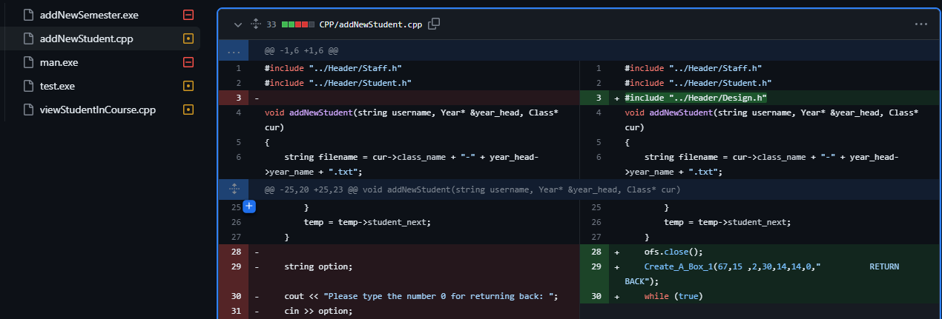
38 | 22127438 | Trần Đăng Tuấn | CREATE Staff Menu | 4
39 | 22127438 | Trần Đăng Tuấn | CREATE Scoreboard Import | 4
40 | 22127438 | Trần Đăng Tuấn | CREATE Show Information | 2
41 | 22127438 | Trần Đăng Tuấn | CREATE 2 structs: Student and Course | 0.25
42 | 22127438 | Trần Đăng Tuấn | CREATE and DESIGN Update Scoreboard | 4
43 | 22127438 | Trần Đăng Tuấn | DESIGN Import StudentFile | 3 | 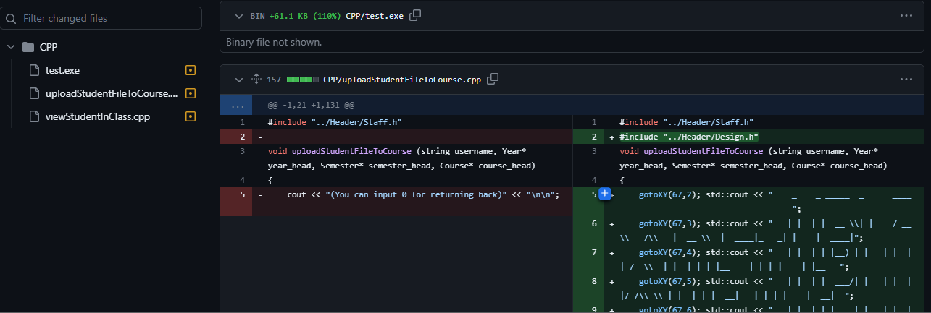
44 | 22127438 | Trần Đăng Tuấn | CREATE and DESIGN View Student In Class | 4
45 | 22127438 | Trần Đăng Tuấn | CREATE View Student In Course | 4
46 | 22127438 | Trần Đăng Tuấn | DESIGN View Class | 4 | 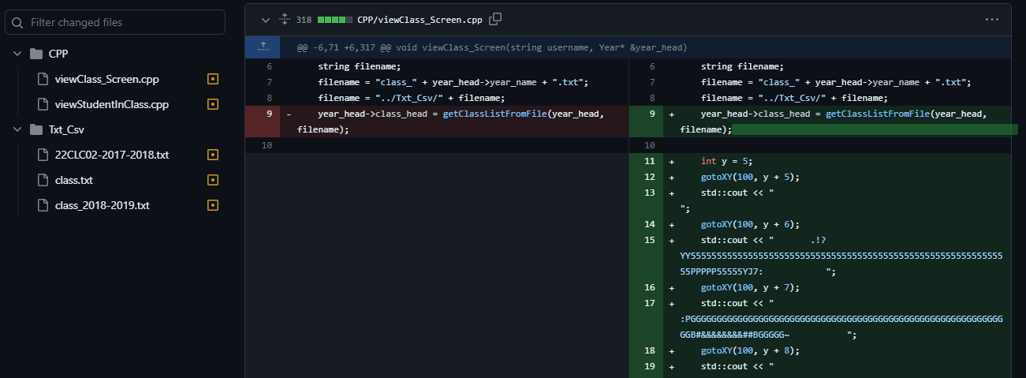
47 | 22127438 | Trần Đăng Tuấn | Make video about Staff | 3 | 
48 | 22127438 | Trần Đăng Tuấn | DESIGN View Student’s Profile | 4
49 | 22127043 | Nguyễn Tấn Châu | Create struct Scoreboard | 0.25
50 | 22127043 | Nguyễn Tấn Châu | Create function Login for Staff and Student | 2
51 | 22127043 | Nguyễn Tấn Châu | Creater helper function to upload information of student and create file list information student to test | 4
52 | 22127043 | Nguyễn Tấn Châu | Write and design function addStudentToCourse to add a Student to Course | 5
53 | 22127043 | Nguyễn Tấn Châu | Write and design function removeStudentFromCourse to delete Student in a Course | 5
54 | 22127043 | Nguyễn Tấn Châu | Write and design function deleteCourse to remove Course in Semester | 5
55 | 22127043 | Nguyễn Tấn Châu | Write and design function viewCourseInSemester to show list Course of student | 5
56 | 22127043 | Nguyễn Tấn Châu | Write Section I of report and upload it to Messenger | 5
57 | 22127043 | Nguyễn Tấn Châu | Write section III in report, design and upload report to Messenger | 12 | 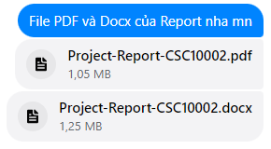
58 | 22127043 | Nguyễn Tấn Châu | Complete two excel files: Grading Scheme and Project Contribution | 13 | 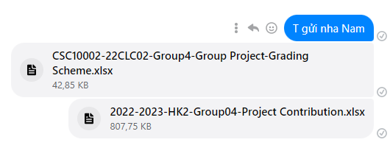
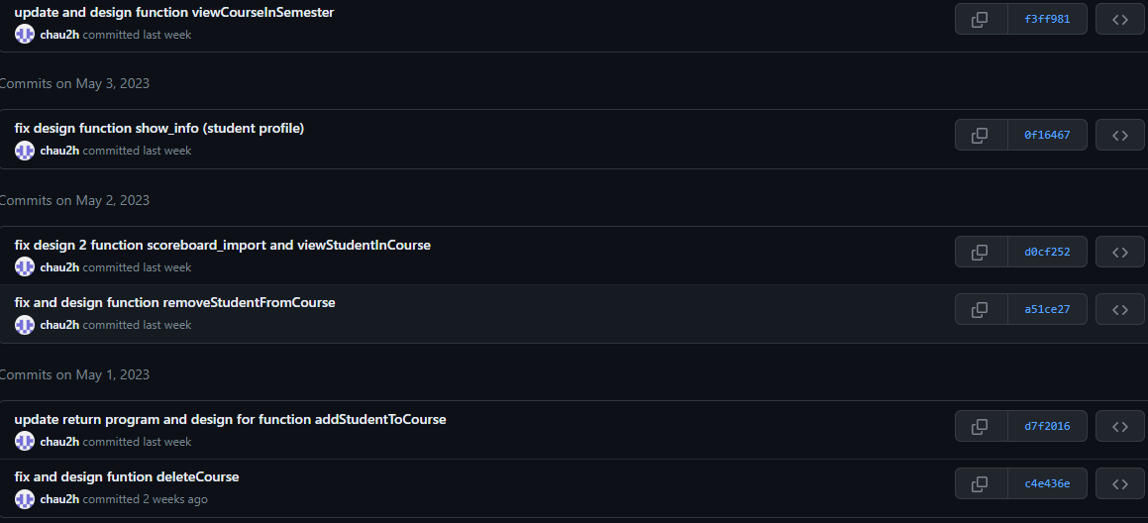
59 | 22127043 | Nguyễn Tấn Châu | Assist teammate Đoàn Đặng Phương Nam in testing system | 10
60
61
62
63
64
65
66
67
68
69
70
71
72
73
74
75
76
77
78
79
80
81
82
83
84
85
86
87
88
89
90
91
92
93
94
95
96
97
98
99
100

